Selector and Force Calculator
 | 8954 | 0.54 | 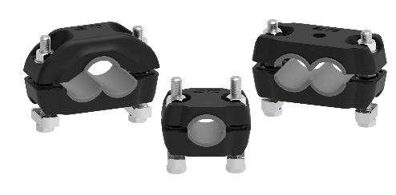 | CABLE CLEATS FORCE CALCULATOR* AND PRODUCT SELECTOR TOOL
 |  |  |  | according to the formula (B.7) from IEC 61914

 |  |  | Please enter the values in the gray cells

 | Product Selector Tool
 | Enter your cable outer diameter (O.D.): |  |  |  | 19 | mm
 | Select your preferred cable assembly formation from the drop down list: |  |  |  | Single Assembly
 | Select your preferred cable mounting configuration from the drop down list: |  |  |  | Flat Mount
 | Inserts required**: |  |  |  | With EPDM inserts
 | Search result: |  |  |  | CC15-26-FM
 |  |  |  |  | ET1062-000

 | Spacing and Force Calculator*
 | Peak short-circuit current value |  |  | Ip | 70 | kA
 | Center-to-center distance between two conductors*** |  |  | S | 50 | mm
 | Length of cable run |  |  |  | 100 | m
 | Calculated spacing between cable cleats lengthwise based on Ip |  |  | D | 0.50 | m
 | Total number of cable cleats on the cable run**** |  |  | N | 200 | pcs
 | Maximum force calculated* |  |  | Ft | 16660 | N/m
S=O.D.
S
S
$$F_{t}=\frac{0.17 ∙{i_{p}}^{2}}{S}$$

D

 | Notes
 | * | This calculator is configured to represent force calculations in accordance to Annex B of IEC 61914:2021.
 | ** | Without inserts, the application range of the cable cleat can be extended up to 4mm. Refer to datasheet for details.
 | *** | Center-to-center distance "S" in trefoil configuration is the outer diameter of the cable.
 | **** | It is recommended to install 2-3 Cable Cleats at the start and the end of the cable run to increase the protection of the cable termination against potential fault condition. The recommended total number of cleats on the cable run does not include these additional cleats.

 | © 2025 TE Connectivity. All Rights Reserved. TE, TE Connectivity, TE connectivity (logo), EVERY CONNECTION COUNTS are trademarks owned or licensed by the TE Connectivity plc family of companies. Other product names, logos, and company names mentioned herein may be trademarks of their respective owners. The information given herein, including drawings, illustrations and schematics which are intended for illustration purposes only, is believed to be reliable. However, TE Connectivity makes no warranties as to its accuracy or completeness and disclaims any liability in connection with its use. TE Connectivity‘s obligations shall only be as set forth in TE Connectivity‘s Standard Terms and Conditions of Sale for this product and in no case will TE Connectivity be liable for any incidental, indirect or consequential damages arising out of the sale, resale, use or misuse of the product. Users of TE Connectivity products should make their own evaluation to determine the suitability of each such product for the specific application.

